Problem 3
ISM-C1004 - Business Analytics 1 - Assignment 3 (Total 28 points)
Non-linear location problem (4 pts)
Whale Oil Ltd. operates six offshore oilrigs. It is planning to build a service platform from which maintenance helicopters could serve the rigs, and needs to decide what would be the best location for the service platform to minimize annual flight costs. The locations of the rigs are given in the Table 1 and illustrated on the attached map.
The cost of one kilometer helicopter flight is about 5 euros. It is estimated that there will be 200 flights annually to each rig, except for Norne (100 flights) and Ormen Lange (800 flights). Furthermore, the service platform has to be within 80 km range from one of the two land bases to allow building fiber optic communications cables.
Task (a) Mathematically formulate an NLP problem that identifies the cost minimizing location for the service platform (2p) [HINT: You can use the notations in Table 1 to make your formulation more compact]
In this problem, we need to determine the optimal location of the service platform, given the distances to the oil rigs, the cost of helicopter flights, and the frequency of flights to each rig. Additionally, we must ensure the service platform is within 80 km of one of the two land bases.
Parameters:
($x_{i}$,$y_{i}$): Coordinates of the i-th location (oil rigs and land bases), where i ranges from 1 to 8.
$f_{i}$: Frequency of flights to the i-th oil rig per year. Specifically, we have
$$f_{i}=[100, 200, 200, 200, 200, 800]$$
C = 5 euros: Cost per kilometer of helicopter flight
Decision variables
(x,y): Coordinates of the service platform
Objective Function:
Minimize the total annual flight cost. The distance to each rig is calculated using the Euclidean distance formula:
$min z= \sum_{i=3}^{8}{5f_{i}\sqrt{{\left(x−x_{i}\right)}^{2}+{\left(y−y_{i}\right)}^{2}}}$
​
Constraints:
Distance to Land Bases: The service platform must be within 80 km of at least one of the two land bases.
$min(\sqrt{{\left(x−x_{1}\right)}^{2}+{\left(y−y_{1}\right)}^{2}},\sqrt{{\left(x−x_{2}\right)}^{2}+{\left(y−y_{2}\right)}^{2}})≤80$
Nonnegativity: The service platform must have a bounded coordinates because the sets of oil rigs and land bases locations form a convex set
$x,y≥0$,$x,y≤350$
This problem is nonlinear due to the square root in the objective function and constraint, which is the Euclidean distance.
Task (b) Implement the NLP model using spreadsheets (1p)
The model is implemented on the right of this model
Task (c) Solve the NLP model with "GRG nonlinear"-algorithm, report the optimal objective function value and draw the optimal solution to the map (0.5p)
The optimal objective function value by GRG nonlinear is 705472.5677 euros
The optimal solution by GRG nonlinear is drawn on the map
Task (d) Solve the NLP model with "Evolutionary"-algorithm, report the optimal objective function value and draw the optimal solution to the map (0.5p) [HINT: answer might differ form that of c)]
The optimal objective function value by GRG nonlinear is 705472.5665 euros
The optimal solution by Evolutionary is drawn on the map
Grading
a) Is the formulation reasonable? (+0-2pts)
Formulation is reasonable and correct. (Note that multiple equivalent formulations exist.) (2 pts)
Formulation is reasonable, but there are minor mistakes (1pts)
Formulation is reasonable, but there are major mistakes. (0.5pts)
Completely unreasonable or no mathematical formulation given. (0 pts)
b) Is the spreadsheet implementation reasonable? (+0-1pts)
The variables are clearly named and the cell values correspond to the objective function and constraint coefficients. (2pt)
Small errors or not clearly names (0.5pt)
There are major errors in the spreadsheet implementation. (0pt)
No spreadsheet implementation given. (0 pts)
c) Resonable value, does not have to be exactly correct as non-linear solver is not that good (+0.5pt)
d) Resonable value, does not have to be exactly correct as non-linear solver is not that good (+0.5pt)
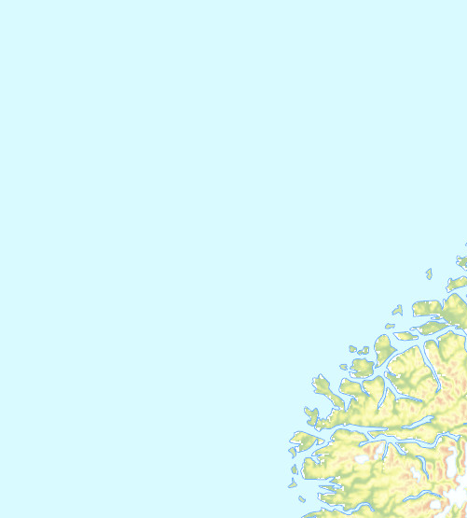

 |  | Table 1
 |  |  |  |  | Oil rigs
 |  |  | Land base 1 | Land base 2 | Norne | Heidrun | Midgard | Smorbukk | Draugen | Ormen Lange | GRG Nonlinear | Evolutionary
 |  | i | 1 | 2 | 3 | 4 | 5 | 6 | 7 | 8
 |  | xi | 204 | 281 | 234 | 224 | 243 | 189 | 220 | 128 | 159.68826999 | 159.69200461
 |  | yi | 25 | 69 | 322 | 220 | 186 | 185 | 123 | 72 | 91.606835793 | 91.60932134

 |  | Decision variable |  |  | Norne | Heidrun | Midgard | Smorbukk | Draugen | Ormen Lange
 | GRG Nonlinear | x | 159.68826999 | x distance to oil rig | 74.311730014 | 64.311730014 | 83.311730014 | 29.311730014 | 60.311730014 | 31.688269986
 |  | y | 91.606835793 | y distance to oil rig | 230.39316421 | 128.39316421 | 94.393164207 | 93.393164207 | 31.393164207 | 19.606835793
 |  |  |  | Euclidean distance to oil rig | 242.08106768 | 143.59945415 | 125.90041226 | 97.8849357 | 67.992907985 | 37.26358094
 | Evolutionary | x | 159.69200461 | C | 5
 |  | y | 91.60932134 | fi | 100 | 200 | 200 | 200 | 200 | 800 |  | Total annual flight costs
 |  |  |  | Annual costs of oil rig | 121040.53384 | 143599.45415 | 125900.41226 | 97884.9357 | 67992.907985 | 149054.32376 | = | 705472.5677 | GRG Nonlinear
 | Upperbound | x | 0 |  |  |  |  |  |  |  |  | 705472.56657 | Evolutionary
 |  | y | 0 |  | Land base 1 | Land base 2
 |  |  |  | x distance to land base | 44.311730014 | 121.31173001
 | Lowerbound | x | 350 | y distance to land base | 66.606835793 | 22.606835793
 |  | y | 350 | Euclidean distance to land base | 79.999999945 | 123.40018178
 |  |  |  | Minimum distance to a land base | 79.999999945 |  | <= | 80 | Constraint # Distance to land base

